AMS_LABEL
REPORT TESTING AMS_LABEL PROGRAM

STT | Funtion Test |  | Status
1 | Login | 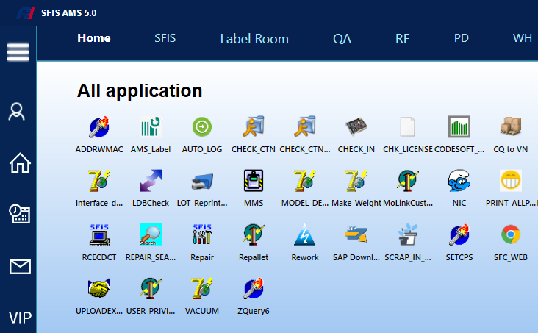 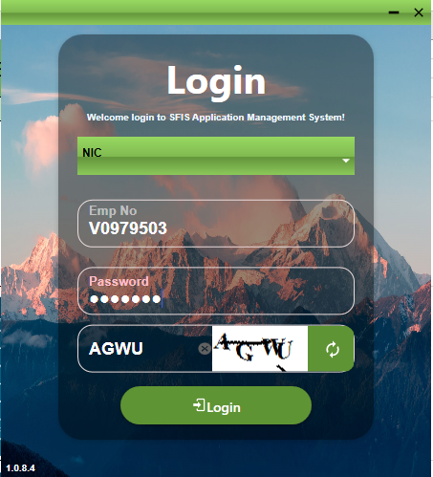 | Done
2 | Test function login and load list file label | 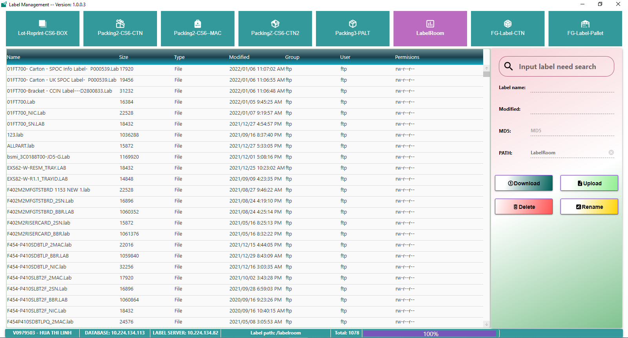 | Done
3 | Test function search file label | 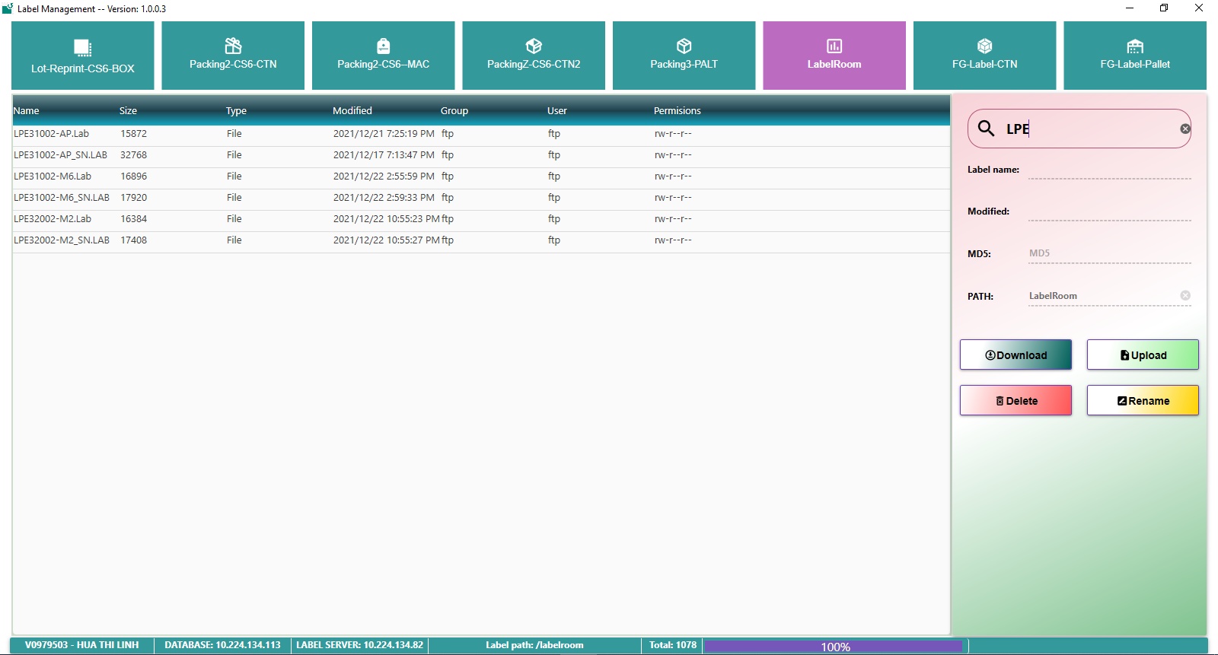 | Done
4 | Test function download file label | 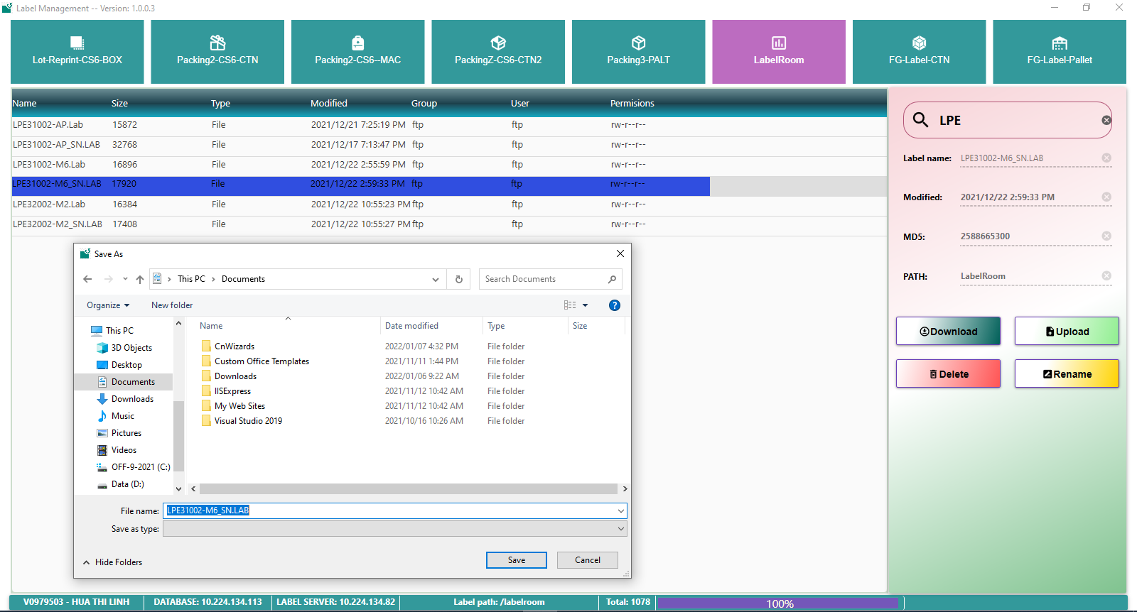 | Done
5 | Test function delete file label | 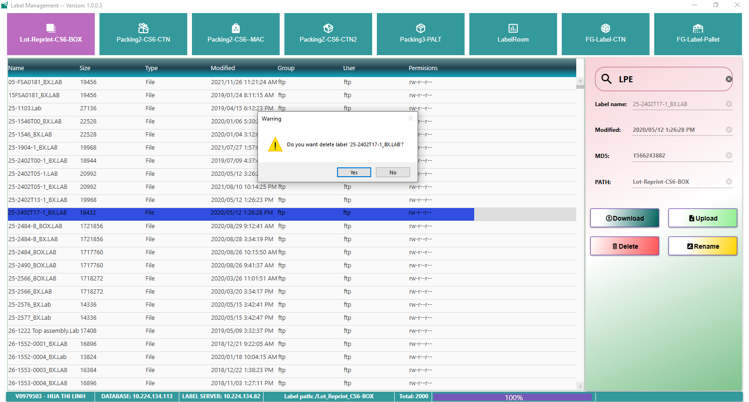 | Done
6 | Test function rename file label | 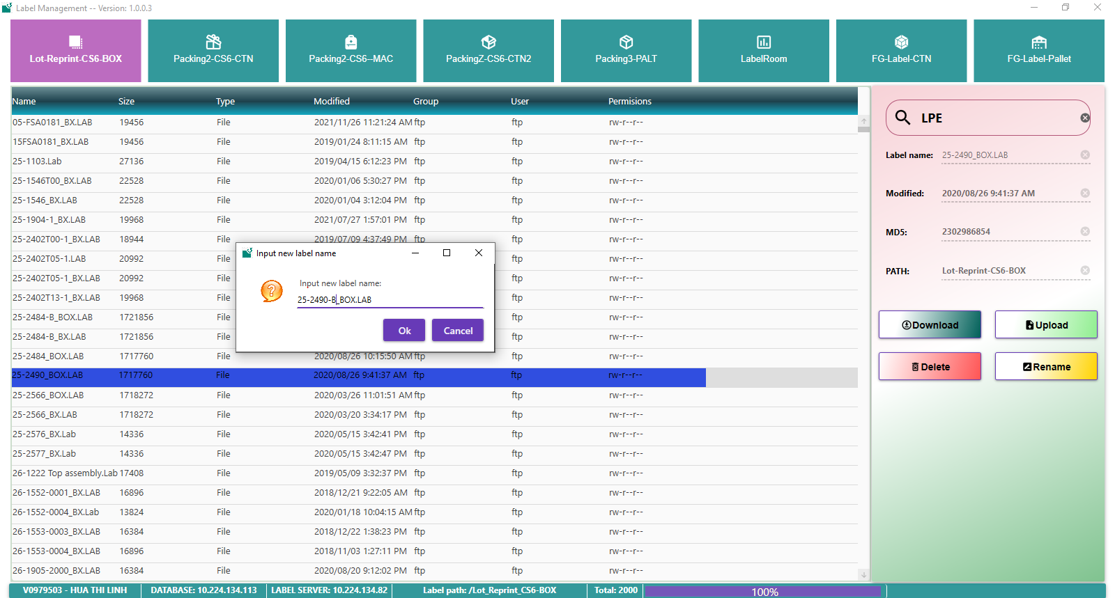 | Done
7 | Test function upload file label and check label file had existed | 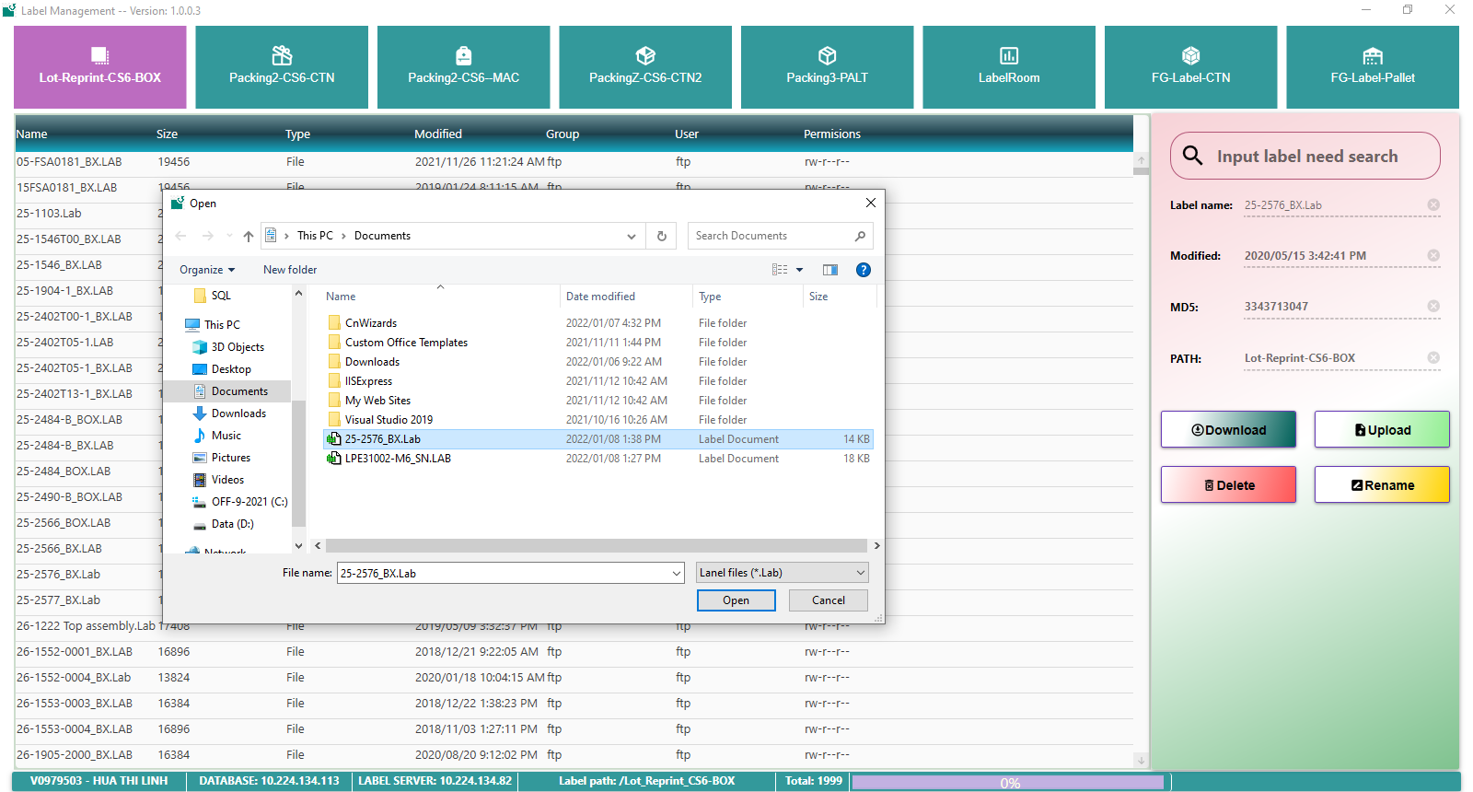 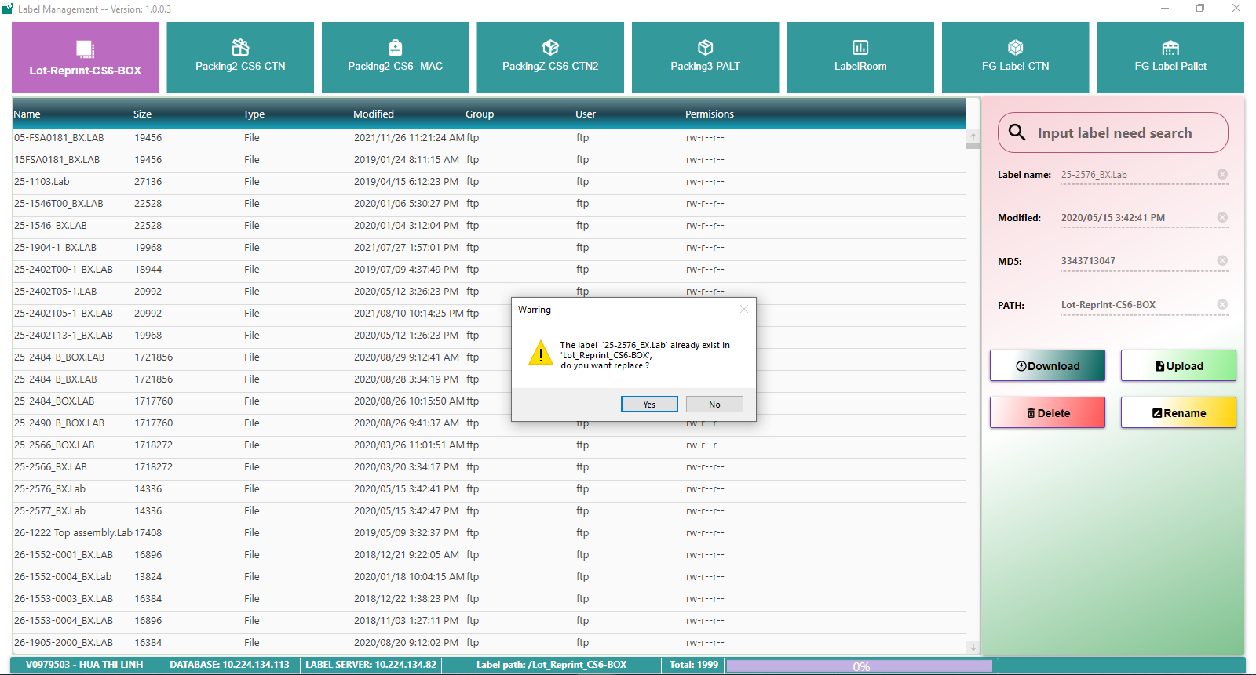 | Done
9 | Upload file label suscess, data insert into this tabel |  | Done

